Sheet1
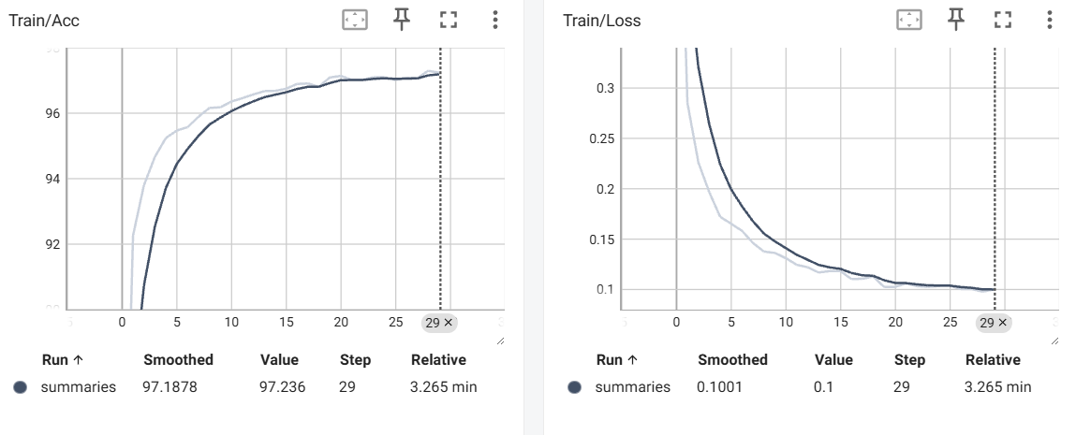
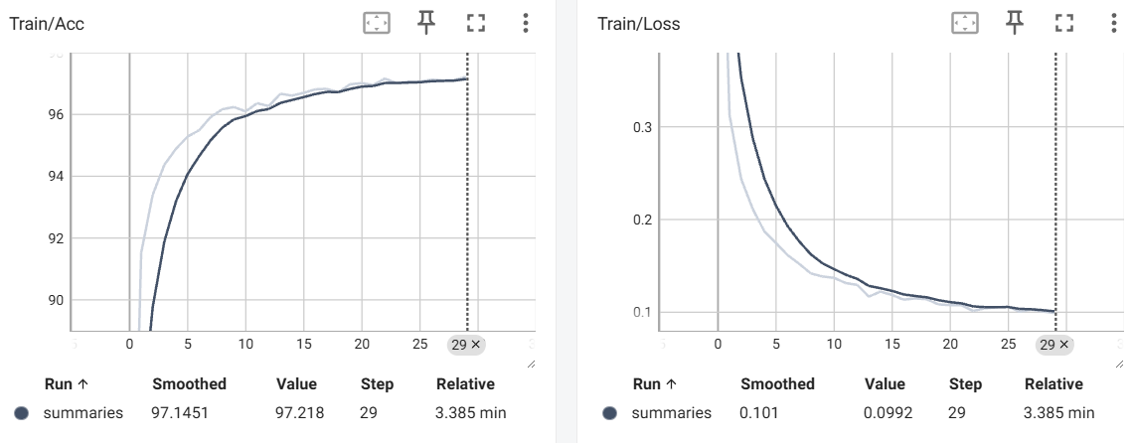
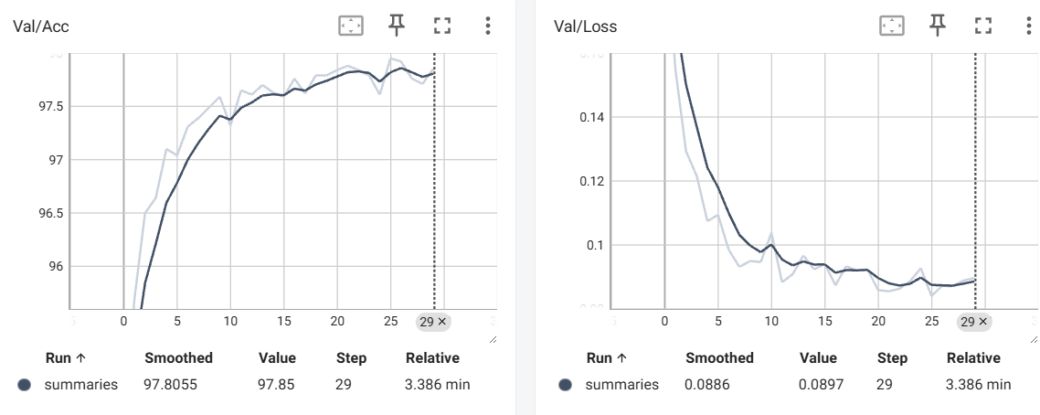
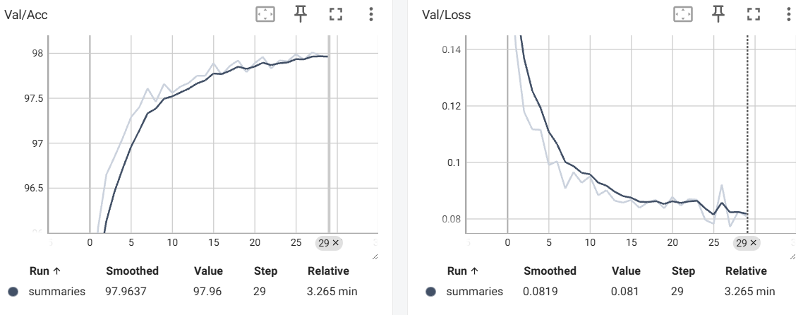
MNIST Evaluation Report
 | Batch_size | Activation function | Epoch | Learning rate | # of layers | Layer size | Optimizer | Weight Decay lambda | Weight Initialization | Dropout rate | Early Stopping epoch | Training time (m) | Accuracy
Setting #1 | 64 | ReLU | 30 | 0.10% | 3 | 300->200->10 | adam | 0.01% | Xavier Normal | None | None | 3.44 minutes | 0.9807
Setting #2 | 64 | ReLU | 30 | 0.10% | 4 | (300 → 200 → 100 → 10) | adam | 0.01% | Xavier Normal | None | None | 3.45 minutes | 0.9799
Setting #3 | 64 | ReLU | 30 | 0.10% | 4 | (300 → 200 → 100 → 10) | adam | 0.01% | Xavier Normal | 0.5 | None | 3.36 minutes | 0.9806
Setting #4 | 64 | ReLU | 30 | 0.10% | 4 | (300 → 200 → 100 → 10) | adam | 0.01% | He (Kaiming) Normal | 0.5 | None | 3.48 minutes | 0.98
Setting #5 | 64 | ReLU | 30 | 0.10% | 4 | (300 → 200 → 100 → 10) | adam | 0.01% | He (Kaiming) Normal | 0.5 | 3 | 3.48 minutes | 0.98

Setting #1
Setting #2
Setting #3
Setting #4
Setting #5
…
Validation dataset accuracy plot
Setting #1 다른 설정과 비교하기 위한 기준점(Baseline)으로, 추가 기법 없이 기본 파라미터로만 학습 Setting#2 기준점에서 Layer 개수를 4개로 확장 Setting #3 (Setting#3)에서 dropout 0.5 를 적용 Setting#4 (Setting#3) 에서 Xavier -> He Initialzation 적용 Setting#5 (Setting#4) 에서 Early Stopping epoch 를 5로 적용

[ 결과 정리 ]

 |  | Setting #1 |  |  |  |  |  |  | Setting #2
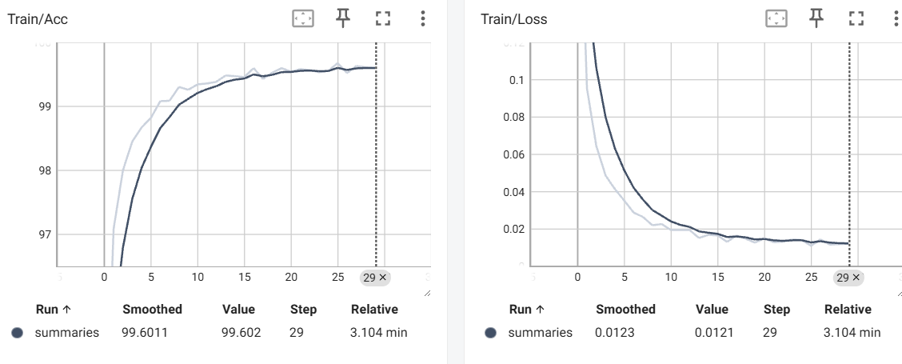
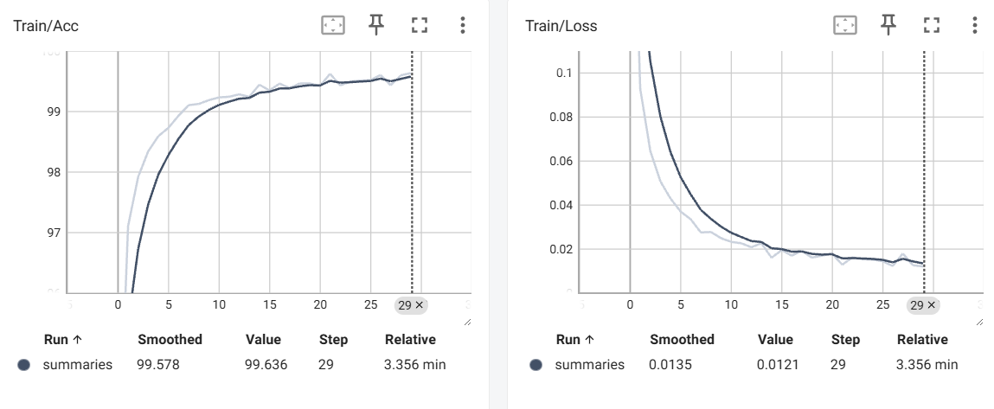

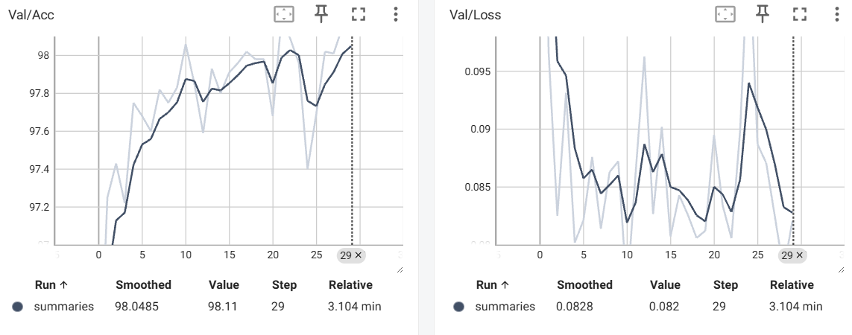
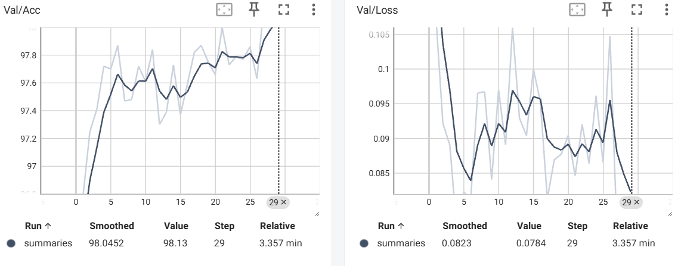

 |  | Setting#3 |  |  |  |  |  |  | Setting#4

